SUMMARY -TABLE
Energy Savings Assistance Program
And
California Alternate Rates for Energy Program
SOUTHERN CALIFORNIA GAS COMPANY
PY 2018 Summary Highlights
ESA Program

2018 Energy Savings Assistance Program Summary
2018 | Authorized / Planning Assumptions | Actual | %
Budget 1 | $129,251,729 | $93,149,896 | 72%
Funded from 2009-2016 Unspent Funds 2 | $69,553,858 | $1,342,656 | 2%
Summary Homes Treated | 169,910 | 99,457 | 59%
Summary kWh Saved | N/A | N/A | N/A
Summary kW Demand Reduced | N/A | N/A | N/A
Summary Therms Saved | 6,210,000 | 1,575,510 | 25%
First Touches Homes Treated | 116,592 | 40,998 | 35%
- kWh Saved | N/A | N/A | N/A
- kW Demand Reduced | N/A | N/A | N/A
- Therms Saved | 4,260,060 | 637,858 | 15%
Go-Backs/Retreated Homes | 53,318 | 58,459 | 110%
- kWh Saved | N/A | N/A | N/A
- kW Demand Reduced | N/A | N/A | N/A
- Therms Saved | 1,949,940 | 1,015,577 | 52%

1 Budget reflects the authorized funding in D.16-11-022. Additional funds allocated from prior-cycle unspent budgets as ordered in G-3532 dated 'December 14, 2017, Non-Standard Disposition of Clear Plan AL 5256, dated May 18, 2018, and Non-Standard Disposition of Mid-Cycle AL 5325, dated December 19, 2018.
2 D.16-11-022 specifically directed funding for new initiatives to come from unspent 2009-2016 ESA Program funds and this table does not include 'unspent funds from the 2017-2020 cycle.

CARE Program

2018 CARE Program Summary
2018 | Authorized Budget | Actual | %
Administrative Expenses | $10,091,122 | $7,910,991 | 78%
Subsidies | $128,608,105 | $108,348,466 | 84%
Service Establishment Charge | $3,743,874 | $3,285,834 | 88%
Total Program Costs and Discounts | $142,443,101 | $119,545,291 | 84%
2018 CARE New Enrollments | Automatically Enrolled via Data Sharing, ESA Participation, etc | Self Certified as Categorically Eligible | Self Certified as Income Eligible
Method | 76,228 | 125,077 | 110,606
2018 CARE Penetration | Estimated Eligible Participants | Participants | Penetration Rate
Total Enrolled | 1,793,870 | 1,615,527 | 90%

Note: Reflects the authorized funding per year in D.16-11-022 and updated via Resolution G-3532 addressing conforming Advice Letters 5111-A and 5111-B
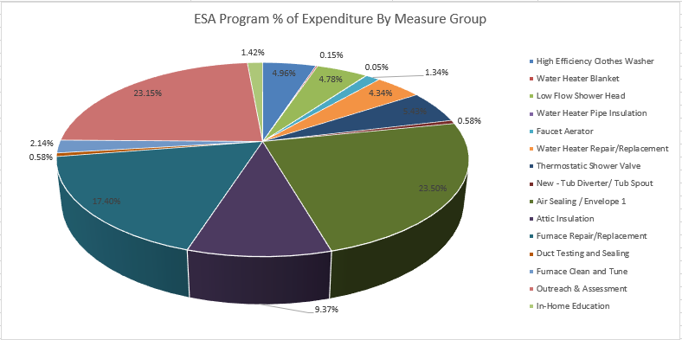

Measure | %
#REF! | #REF!
#REF! | #REF!
#REF! | #REF!
#REF! | #REF!
#REF! | #REF!
#REF! | #REF!
#REF! | #REF!
#REF! | #REF!
#REF! | #REF!
#REF! | #REF!
#REF! | #REF!
#REF! | #REF!
#REF! | #REF!
#REF! | #REF!
#REF! | #REF!
#REF! | #REF!

Total | #REF!

ESA-Table 1
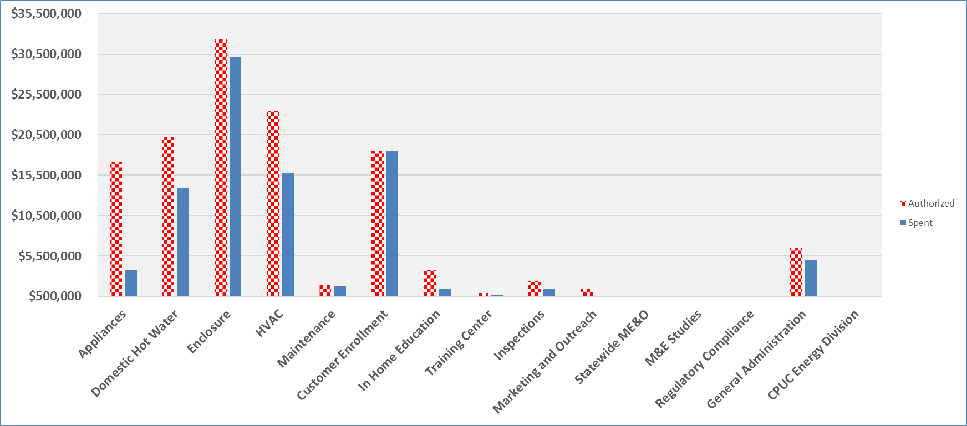
PY 2018 Energy Savings Assistance Program Annual Report ESA Program Table 1 ESA Program Overall Program Expenses SOUTHERN CALIFORNIA GAS COMPANY
 | 2018 Authorized Budget 1 |  |  | 2018 Annual Expenses |  |  | % of Budget Spent
ESA Program: | Electric | Gas | Total | Electric | Gas | Total | Electric | Gas | Total
Energy Efficiency
Appliances | N/A | $17,117,000 | $17,117,000 | N/A | $3,735,217 | $3,735,217 | N/A | 22% | 22%
Domestic Hot Water | N/A | $20,236,546 | $20,236,546 | N/A | $13,868,894 | $13,868,894 | N/A | 69% | 69%
Enclosure | N/A | $32,374,249 | $32,374,249 | N/A | $30,152,972 | $30,152,972 | N/A | 93% | 93%
HVAC | N/A | $23,488,373 | $23,488,373 | N/A | $15,698,772 | $15,698,772 | N/A | 67% | 67%
Maintenance | N/A | $1,937,734 | $1,937,734 | N/A | $1,781,776 | $1,781,776 | N/A | 92% | 92%
Lighting | N/A | $- | $- | N/A | $- | $- | N/A | 0% | 0%
Miscellaneous | N/A | $- | $- | N/A | $- | $- | N/A | 0% | 0%
Customer Enrollment | N/A | $18,515,920 | $18,515,920 | N/A | $18,515,920 | $18,515,920 | N/A | 100% | 100%
In Home Education | N/A | $3,798,033 | $3,798,033 | N/A | $1,383,182 | $1,383,182 | N/A | 36% | 36%
Pilot | N/A | $- | $- | N/A | $- | $- | N/A | 0% | 0%
Energy Efficiency TOTAL | N/A | $117,467,855 | $117,467,855 | N/A | $85,136,732 | $85,136,732 | N/A | 72% | 72%

Training Center | N/A | $908,314 | $908,314 | N/A | $732,315 | $732,315 | N/A | 81% | 81%
Inspections | N/A | $2,341,714 | $2,341,714 | N/A | $1,432,968 | $1,432,968 | N/A | 61% | 61%
Marketing and Outreach | N/A | $1,450,000 | $1,450,000 | N/A | $380,595 | $380,595 | N/A | 26% | 26%
Statewide Marketing Education and Outreach | N/A | $- | $- | N/A | $- | $- | N/A | 0% | 0%
Measurement and Evaluation Studies | N/A | $153,125 | $153,125 | N/A | $100,437 | $100,437 | N/A | 66% | 66%
Regulatory Compliance | N/A | $344,307 | $344,307 | N/A | $344,307 | $344,307 | N/A | 100% | 100%
General Administration | N/A | $6,500,414 | $6,500,414 | N/A | $4,998,134 | $4,998,134 | N/A | 77% | 77%
CPUC Energy Division | N/A | $86,000 | $86,000 | N/A | $24,410 | $24,410 | N/A | 28% | 28%

TOTAL PROGRAM COSTS 2 | N/A | $129,251,729 | $129,251,729 | N/A | $93,149,896 | $93,149,896 | N/A | 72% | 72%
Funded Outside of ESA Program Budget
Indirect Costs |  |  |  | $- | $3,675,330 | $3,675,330
NGAT Costs |  |  |  | $- | $2,175,738 | $2,175,738

1 Reflects the authorized funding in D.16-11-022. Additional funds allocated from prior-cycle unspent budgets as ordered in G-3532 dated December 14, 2017, Non-Standard Disposition of Clear Plan AL 5256, dated May 18, 2018, and Non-Standard Disposition of Mid-Cycle AL 5325, dated December 19, 2018 are not shown on this table but appear on Table 1A.
2 Additional 2018 spend in the amount of $1,352,156 not included here in Table 1 because it is being funded out of prior cycle unspent funds. (See Table 1A) Total 2018 spend is actually $94,492,552 or ($93,149,896 + $1,342,656).

Bar Chart 1 - Total Spent vs. Authorized by Category

ESA-Table 15-Lighting
PY 2018 Energy Savings Assistance Program Annual Report
ESA Program Table 15
Lighting 1
SOUTHERN CALIFORNIA GAS COMPANY
ESA Program CFL Tracking Table
Instructions: Please identify the CFL bulbs used within your ESA program and fill in the remaining columns for each
Bulb Name / Identification | Bulb Description (wattage, lumens) | Bulb Cost (material) | Admin Cost (overhead, contractor fee, marketing, etc.) | Total Bulb Cost (material + admin) 2 | AB 1109 Compliant? 3

Not Applicable to SCG

Year | Number of Homes Treated in ESA Program | Number of Homes Provided CFLs | Avg. # of CFL bulbs given per home | Est. total energy savings from installed CFLs 4
2009
2010
2011
2012
2013
2014
2015
2016
2017

1 Summary data which includes ESA Program, CSD Leveraging, and MF efforts.
2 Bulb cost and admin cost were combined effective 2013.
3 Compliant in regards to: 1) Do bulbs meet or exceed CEC energy efficiency standards for general purpose lighting?
Do all models comply with Europe's RoHS standards on toxicity?
4 Ordering Paragraph 34 of D.14-08-030 adopts the 2013 ESA Impact Evaluation. The results from that study were used in this Annual Report.
Note: This Table should be used for 2017 and not applicable with 2018 activity pursuant to D.16-11-022 directive.

CARE- Table 1
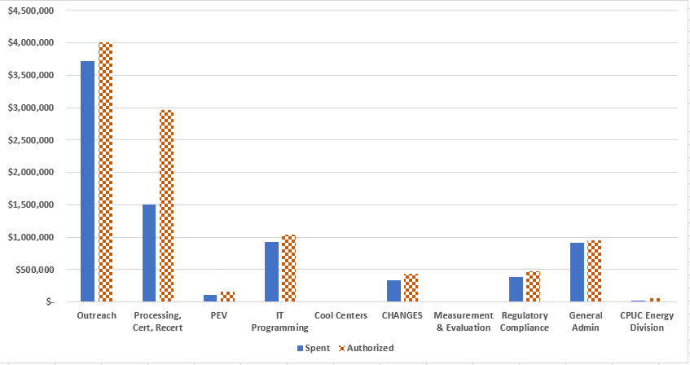
PY 2018 CARE Annual Report
CARE Table 1
Overall Program Expenses
SOUTHERN CALIFORNIA GAS COMPANY
Category | Overall Expenditures |  | Total | Authorized Budget 1 | % of Budget Spent | Total Shifted | Shifted to/From/Other Comments?
 | Electric | Gas
Outreach | $- | $3,712,959 | $3,712,959 | $4,004,885 | 93%
Processing, Certification, Recertification | $- | $1,505,054 | $1,505,054 | $2,966,518 | 51%
Post Enrollment Verification | $- | $112,060 | $112,060 | $154,833 | 72%
IT Programming | $- | $927,047 | $927,047 | $1,037,796 | 89%
Cool Centers | $- |  | $- | $-
CHANGES | $- | $336,933 | $336,933 | $437,502 | 77%
Measurement & Evaluation | $- |  | $- | $-
Regulatory Compliance | $- | $384,841 | $384,841 | $475,858 | 81%
General Administration | $- | $907,687 | $907,687 | $953,729 | 95%
CPUC Energy Division | $- | $24,410 | $24,410 | $60,000 | 41%

TOTAL Program Costs | $- | $7,910,991 | $7,910,991 | $10,091,122 | 78.40% | $-

CARE Rate Discount | $- | $108,348,466 | $108,348,466 | $128,608,105 | 84.25% | $-
Service Establishment Charge Discount | $- | $3,285,834 | $3,285,834 | $3,743,874 | 87.77% | $-

TOTAL PROGRAM COSTS & CUSTOMER DISCOUNTS | $- | $119,545,291 | $119,545,291 | $142,443,101 | 83.92% | $-

1 Reflects the authorized funding per year in D.16-11-022 and updated via Resolution G-3532 addressing conforming Advice Letters 5111-A and 5111-B.

Bar Chart 1 - Total Spent vs. Authorized by Category

